EUT
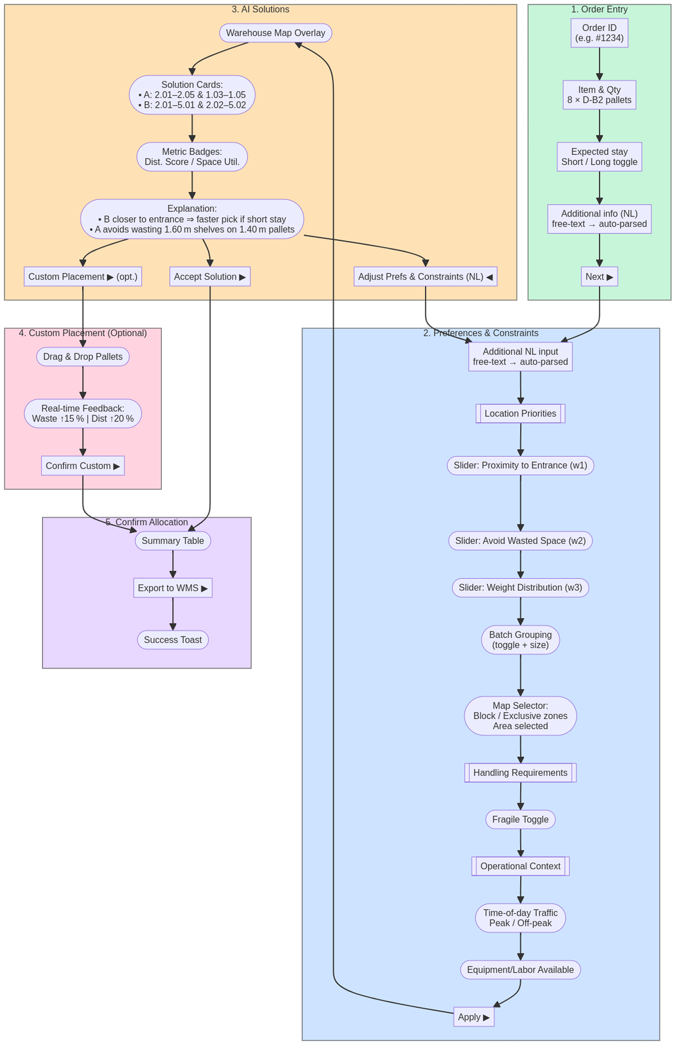
 | MVP screens proposal | UI to Optimization Mapping
 |  | Modifies objective weights | UI Input | Action on Model
 |  |  | Proximity-to-Entrance slider | Set weight w₁
 |  |  | Avoid-Wasted-Space slider | Set weight w₂
 |  |  | Weight-Distribution slider | Set weight w₃
 |  |  | Time-of-Day (Peak / Off-peak) | Scale weight w₁ | e.g. closer to entrance if traffic
 |  |  | Expected Stay (Short / Long) | Re-balance w₁, w₂ | e.g. if short, closer to entrance. if long, avoid space waste
 |  | Adds / removes hard constraints | UI Input | Action on Model
 |  |  | Block rows / shelves (map) | Add exclusion mask
 |  |  | Exclusive zones (map) | Add inclusion set
 |  |  | Batch grouping | Add co-location constraint
 |  |  | Fragile toggle | Add safe-slot constraint
 |  | Natural-language input | Example | Parsed to UI / Model
 |  | Free-text interpreter | “Keep rows 4 & 5 empty for the incoming trailer.” | Map-selector → Block rows 4, 5

 |  | Mermaid flowchart
 |  | flowchart TD %% === Subgraph: Order Entry === subgraph OrderEntry ["1. Order Entry"] direction TB OE1["Order ID\n(e.g. #1234)"] OE2["Item & Qty\n8 × D-B2 pallets"] OE3["Expected stay\nShort / Long toggle"] OE4["Additional info (NL)\nfree-text → auto-parsed"] OE5["Next ▶"] end style OrderEntry fill:#C7F5D9,stroke:#333,stroke-width:1px %% === Subgraph: Preferences & Constraints === subgraph Prefs ["2. Preferences & Constraints"] direction TB PNL["Additional NL input\nfree-text → auto-parsed"] %% Location priorities PLocHeader[[Location Priorities]] P2(["Slider: Proximity to Entrance (w1)"]) P4(["Slider: Avoid Wasted Space (w2)"]) P3(["Slider: Weight Distribution (w3)"]) P9(["Batch Grouping\n(toggle + size)"]) P10(["Map Selector:\nBlock / Exclusive zones\nArea selected"]) %% Handling requirements PHandHeader[[Handling Requirements]] P5([Fragile Toggle]) %% Operational context POpHeader[[Operational Context]] P7(["Time-of-day Traffic\nPeak / Off-peak"]) P8(["Equipment/Labor Available"]) P11["Apply ▶"] end style Prefs fill:#CDE3FF,stroke:#333,stroke-width:1px %% === Subgraph: AI Solutions === subgraph AISolutions ["3. AI Solutions"] direction TB A1([Warehouse Map Overlay]) A2(["Solution Cards:\n• A: 2.01–2.05 & 1.03–1.05\n• B: 2.01–5.01 & 2.02–5.02"]) A3(["Metric Badges:\nDist. Score / Space Util."]) A4(["Explanation:\n• B closer to entrance ⇒ faster pick if short stay\n• A avoids wasting 1.60 m shelves on 1.40 m pallets"]) A5["Accept Solution ▶"] A6["Adjust Prefs & Constraints (NL) ◀"] A7["Custom Placement ▶ (opt.)"] end style AISolutions fill:#FFE1B6,stroke:#333,stroke-width:1px %% === Subgraph: Custom Placement === subgraph Custom ["4. Custom Placement (Optional)"] direction TB C1([Drag & Drop Pallets]) C2(["Real-time Feedback:\nWaste ↑15 % | D

Suggested interactions

Interaction | Comments/ Questions/ Ideas
1. Registering order details | Which details? e.g. order ID, item, qty, client, expected stay, additional info...
2. Setting constraints and preferences (for initial solution, or as feedback for proposed solutions) | What different criteria do they want to see/be considered in the solution? (known by the user but not reflected in the system) e.g. Prioritising or asking for: - location areas/proximity to locations - space saving on shelves - grouping of incoming batches as much as possible instead of distributed across shelves - rows blocked - specific placement - max number of movements All of this, based on which elements? e.g. how long the order will stay, different times of the day, equipment/labor available, client, type of product,...
3. Analysing AI solution | - ability to choose between different solutions, or none of the suggested solutions - receiving an explanation containing...involving...which criteria? e.g., B is closer to entrance so faster to pick as short stay. A avoids wasting 1.60m shelves on 1.40m pallets - some metrics
4. Providing feedback | See 2
5. Overriding parts of AI solution | - Manually assigning locations. - Real-time feedback/analysis from AI? this will reduce space wasted by 20% but will conflict with batch grouping preference...
6. Confirming solution | - Visualizing solution - format?

